5) Comparing two data sets
 |  |  | 0
5) | This hockey score data is from problem 3F #2 on page 126.
 | Make a frequency table and graph, as shown. (move my image out of your way)
 | Use =Frequency() or another spreadsheet function of your choice

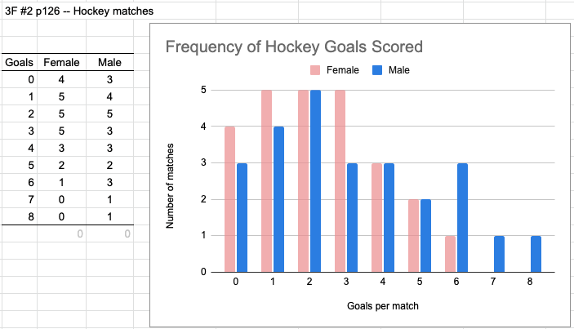
 | Female | Male
 | 0 | 2
 | 3 | 4
 | 1 | 1
 | 4 | 0 | 0
 | 2 | 3
 | 3 | 1
 | 4 | 2
 | 0 | 6
 | 1 | 2
 | 0 | 8
 | 5 | 4
 | 2 | 5
 | 6 | 3
 | 3 | 1
 | 1 | 7
 | 3 | 3
 | 3 | 2
 | 2 | 0
 | 4 | 0
 | 2 | 1
 | 5 | 5
 | 1 | 2
 | 0 | 6
 | 2 | 4
 | 1 | 6

